SnapShot
Transaction type | Persona | Region | type of emloyee | Chnages a requester can submit via self service here | Snap Shot
Person | Employee | USA | Regular Full Time |  | 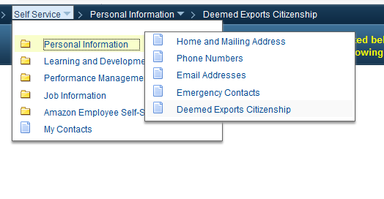
Job | Employee | USA | Regular Full Time
Person | Manager | USA | Regular Full Time
Job | Manager | USA | Regular Full Time |  | 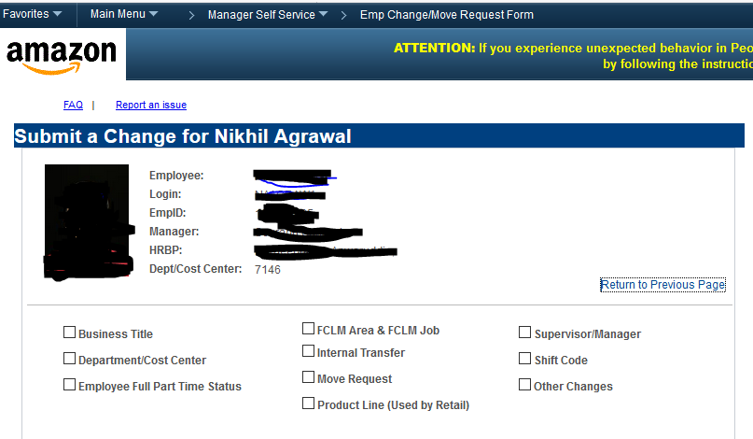
Person | HRA |  |  | Home/ Mailing Address | 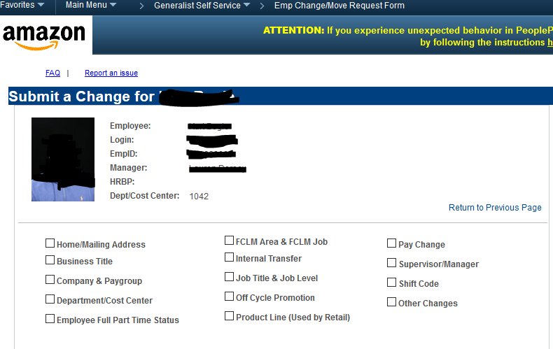
Job | HRA |  |  | Busines Title Company & Paygroup Departement Cose Center Employee Full Part time Status FCLM Area and FCLM Job Iternal ransfer Job Ttitle and job level Off Cycle promotion Product Line ( used by Retail ) Pay Change Supervisor / Manager Shift Code Other Changes

